Table 1
101-121 Castlereagh St Mixed Use Development 77 Market street, 85 Castlereagh St, Sydney, NSW Australia 2000
249 - B02 SOG Pour 6 - SDC-TMP-CON-ITP-009 - 3 - RC Slab on Grade
Details
Project |  |  | 101-121 Castlereagh St Mixed Use Development
Organization |  |  | Scentre Construction
Location |  |  | 77 Market street Mixed Use Development > Basement Level 02
Status |  |  | In Progress
Due Date
Created by |  |  | Holly Fyffe on Wednesday 09 November, 2022, 7:12:43 am
Modified by |  |  | Holly Fyffe on Monday 12 December, 2022, 9:15:12 am
Downloaded |  |  | Monday 14 August, 2023, 10:05:44 am
Template |  |  | SDC-TMP-CON-ITP-009 - 3 - RC Slab on Grade
Description |  |  | Structural ITP for Slab on Grade
Progress |  |  | 10%

Question |  |  |  |  |  | Response
1 Prior to Reinforcement: Attach Markup to confirm proposed pour zone Photos (1) Captured by: Holly Fyffe Scentre Construction Date: 2022/11/09, 7:14:12 AM |  |  |  |  |  | Yes Holly Fyffe - Scentre Construction., Wednesday 09 November, 2022, 7:14:12 am

 | 2 Prior to Reinforcement: Ensure detailed excavation is complete (Attach Excavation Contractor’s ITP)

 | 3 Prior to Reinforcement: Confirm inground drainage and pit works has been completed and backfilled (Attach photos/confirmation)

 | 4 Prior to Reinforcement: Confirm that substation earthing rods have been drilled, as AS Built red line survey (If applicable)

 | 5 Prior to Reinforcement: Confirm min 100mm subsoil drainage has been installed as per geotechnical requirements (attach contractor’s ITP)

 | 6 Prior to Reinforcement: Confirm Surveyor has provided set outs/ benchmarks (Attach survey)

 | 7 Prior to Reinforcement: Confirm vapor barrier installed over subbase (Attach photos and confirm signed off by concrete place ITP)

 | 8 Prior to Concrete Pour: Attach formwork contractor’s ITP (including setdowns, hobs, Construction/key/movement joints, ect.)

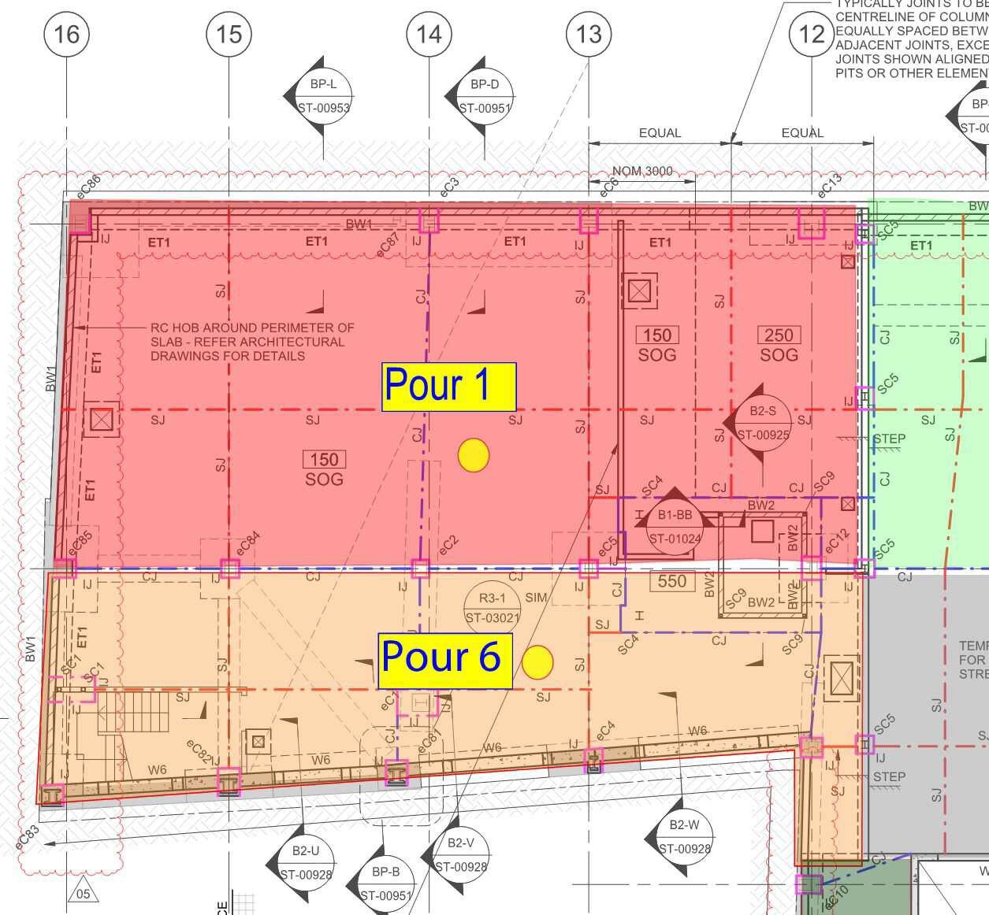 | 9 Prior to Concrete Pour: Attach Structural Engineers inspection report

 | 10 Prior to Concrete Pour: Attach Verification that structural engineer’s inspection report has been closed out to allow concrete pour (Attach Photos)

 | 11 Prior to Concrete Pour: Attach reinforcement contractor’s ITP

 | 12 Prior to Concrete Pour: Attach Hydraulic ITP (inground drainage and pipework)

 | 13 Prior to Concrete Pour: Attach Electrical ITP (Cast in conduits – if applicable)

 | 14 During Concrete Pour: Attach Concrete place contractor’s ITP (including Ableflex) Photos (0) Files (1)

 |  | Filename |  |  | Date |  |  | Attached by |  | Comments
 |  | Pre Pour Inspection Checklist_08- Nov-2022.pdf |  |  | 2022/11/09, 7:12:55 AM |  |  | Holly Fyffe |  | -

 | 15 After Concrete Pour: Confirm falls have been completed in concrete pour in accordance to architectural drawings

 | 16 After Concrete Pour: Attach Concrete test results and confirm compliance with engineer requirements |  |  |  |  | Ye Holl 9:15 |  | s y Fyffe - Scentre Construction., Monday 12 December, 2022, :12 am
 |  | Photos (0)
Files (1)
17 After Concrete Pour: Confirm saw cuts installed as per engineer’s drawings

18 Signoffs: Site Engineer to signoff ITP has been completed

19 Signoffs: Project Engineer to review and confirm ITP has been completed

Filename |  |  |  | Date |  |  | Attached by |  | Comments
WMT_22_17168_[1].pdf |  |  |  | 2022/12/12, 9:15:11 AM |  |  | Holly Fyffe |  | -
Name Signature Date

